Information Gain Calculator
Instructions: Create any confusion matrix by inputting values for cells labelled a, c, and e. |  |  |  |  |  |  |  |  |  | The spreadsheet outputs entropy (information) measures for all relevant distributions.

 | Confusion Matrix |  |  |  | Test Classification Y |  |  |  |  |  | Percentage Information Gain (P.I.G.)
 |  |  |  |  | [optical scanner on assembly line] |  |  |  |  |  | A correlation measure defined as mutual information between X and Y
 |  |  |  |  | "Positive" |  | "Negative" |  |  |  | divided by the entropy of the Condition X
 |  |  |  |  | 0.5 | c | 0.5 | d |  |  | I(X;Y) | 0.0788 | bits
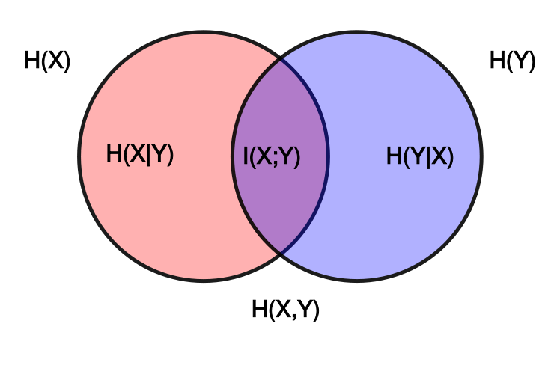
 |  |  |  |  |  |  |  |  |  |  | divided by
 | Condition X | "+" | 0.2 | a | 0.036 | e | 0.164 | f |  |  | H(X) | 0.7219 | bits
 | [defective computer chip] |  |  |  |  |  |  |  |  |  | equals
 |  | "-" | 0.8 | b | 0.464 | g | 0.336 | h |  |  |  | 10.92%
 |  |  |  |  |  |  |  |  |  |  | Average reduction in uncertainty of one outcome in X upon learning one outcome in Y

 | Individual Probabilities |  | Name
 | P("+") | a | Incidence of Condition "+" |  |  |  |  |  | H(X) | = a*log(1/a) | + b*log(1/b) |  | I(X;Y) = | H(X) | - H(X|Y)
 | p("-") | b | Incidence of "Condition "-" |  |  |  |  |  | 0.7219 | 0.4644 | 0.2575 |  | 0.0788 | 0.7219 | 0.6431
 | p(Test POS) | c | Classification Incidence "POS"
 | p(Test NEG) | d | Classification Incidence "NEG" |  |  |  |  |  |  |  |  |  | I(X;Y) = | H(Y) | - H(Y|X)
 | p(Test POS, "+") | e | True Positives |  |  |  |  |  | H(Y) | = c*log(1/c) | + d*log(1/d) |  | 0.0788 | 1.0000 | 0.9212
 | p(Test NEG, "+") | f | False Negatives |  |  |  |  |  | 1.0000 | 0.5000 | 0.5000
 | p(Test "POS, "-") | g | False Positives |  |  |  |  |  |  |  |  |  | I(X;Y) = | H(X) | + H(Y) | - H(X,Y)
 | p(Test "NEG", "-") | h | True Negatives |  |  |  |  |  |  |  |  |  | 0.0788 | 0.7219 | 1.0000 | 1.6431

 | Probability Distributions |  |  |  | Name |  |  |  | H(X,Y) | = e*log(1/e) | + f*log(1/f) | + g*Log(1/g) | + h*log(1/h)
 | P(X) |  | p(a,b) |  | Probability of the Condition |  |  |  | 1.6431 | 0.1727 | 0.4278 | 0.5140 | 0.5287
 | P(Y) |  | p(c,d) |  | Probability of the Classification
 | p(X,Y) |  | p(e,f,g,h) |  | Joint Distribution of X and Y |  |  |  | 0.036 | e | 0.16 | f | 0.46 | g | 0.34 | h
 | P(X)p(Y) |  | p(ac,ad,bc,bd) |  | Product Distribution of X and Y |  |  |  | 0.1 | ac | 0.10 | ad | 0.40 | bc | 0.40 | bd

 | Definition of Independence P(X,Y) = P(X)p(Y)
 | X, Y Independent or Dependent?
 | Dependent |  |  |  |  |  |  |  | Mutual Information I(X:Y) = Relative Entropy of Joint and Product Distributions --- D(p(X,Y||p(X)p(Y))
 |  |  |  |  |  |  |  |  | = e*log(e/ac) | -0.05306152278 | + f*log(f/ad) | 0.11704611363 | + g*log(g/bc) | 0.099353909684 | + h*log(h/bd) | -0.084517025711
 | Conditional Probabilities |  |  |  | Name |  |  |  | 0.0788
 | p(Test POS | "+") |  | e/a | 0.18 | True Positive Rate
 | p(Test NEG | "+") |  | f/a | 0.82 | False Negative Rate |  |  |  |  |  |  |  |  |  |  |  | Copyright Daniel Egger/ Attribution 4.0 International (CC BY 4.0)
 | p(Test POS | "-") |  | g/b | 0.58 | False Positive Rate |  |  |  | H(Y|X) | = (a | *H(e/a, f/a)) | + | (b | *H(g/b, h/b) |  |  | Venn diagram courtesy of Konrad Voelkel - Wikipedia: https://en.wikipedia.org/wiki/Information_diagram
 | p(Test NEG | "-") |  | h/b | 0.42 | True Negative Rate |  |  |  |  | 0.2000 | 0.6801 |  | 0.8000 | 0.9815
 |  |  |  |  |  |  |  |  | 0.9212
 | p("+" | Test POS) |  | e/c | 0.07 | Positive Predictive Value (PPV)
 | p( "-" | Test POS) |  | g/c | 0.93 | 1- PPV
 | p("+" | Test NEG) |  | f/d | 0.33 | 1- NPV |  |  |  | H(X|Y) | = (c | *H(e/c, g/c) | + | (d | *H(f/d, h/d)
 | p("-" | Test NEG) |  | h/d | 0.67 | Negative Predictive Value (NPV) |  |  |  |  | 0.5000 | 0.3733 |  | 0.5000 | 0.9129
 |  |  |  |  |  |  |  |  | 0.6431
 | "Relative Entropy" of p and q, written D(p||q)
 | is the summation of all p(i)*log(p(i)/qIi)
 | It is also called "Kullback-Leibler Divergence" (or "KL Divergence" for short)
 | The Relative Entropy of the Joint distribution p [row 28] and the product distribution q [row 29] is the mutual information [cell L35]
 | [Note that this definition is not required for Course - advanced topic]

 |  |  |  |  |  |  |  |  | H(X|Y) = P(Y=Y1)H(X|Y=Y1) + P(Y=Y2)H(X|Y=Y2)
 |  |  |  |  |  |  |  |  |  | = c*H(e/c,g/c)+d*H(f/d,h/d)
 |  |  |  |  |  |  |  |  | remaining uncertainty or entropy of the test classification if we learn a chip is truly defective?
 |  |  |  |  |  |  |  |  | H(Y|X) = P(X=X1)H(Y|X=X1)+P(X=X2)H(Y|X=X2)
 |  |  |  |  |  |  |  |  | =a*H(e/a,f/a) + b*H(g/b,h/b)
 |  |  |  |  |  |  |  |  | =1*H(0.5,0.5)+0
 |  |  |  |  |  |  |  |  | =-F36*LOG(F36, 2)-F37*LOG(F37, 2)
 |  |  |  |  |  |  |  |  | =1
 |  |  |  |  |  |  |  |  | remaining uncertainty, or entropy, of the Test Classification, if we know that a chip is not-defective
 |  |  |  |  |  |  |  |  | H(Y|X) = P(X=X1)H(Y|X=X1)+P(X=X2)H(Y|X=X2)
 |  |  |  |  |  |  |  |  | =a*H(e/a,f/a) + b*H(g/b,H/b)
 |  |  |  |  |  |  |  |  | =0+1*H(0.25,0.75)
 |  |  |  |  |  |  |  |  | =-F38*LOG(F38,2)-F39*LOG(F39,2)
 |  |  |  |  |  |  |  |  | =0.8113
 |  |  |  |  |  |  |  |  | uncertainty or entropy, remaining regarding a Test Outcome, give knowledge of whether or not a chip is defective
 |  |  |  |  |  |  |  |  | =H(Y|X)=0.8490

 |  |  |  |  |  |  |  |  | The optical scanner breaks down and begins to classify 30% of all chips as defective completely at random. What is the random test's True Positive Rate and False Positive Rate?

 |  |  |  |  |  |  |  |  | 30% and 30%

 |  |  |  |  |  |  |  |  | 1/5*log2(5)+ 4/5*log2(5/2)=
 |  |  |  |  |  |  |  |  | 1/5*(LOG(5,2))+4/5*(LOG(5/2,2))
 |  |  |  |  |  |  |  |  | 1.5219280949

